Regulations
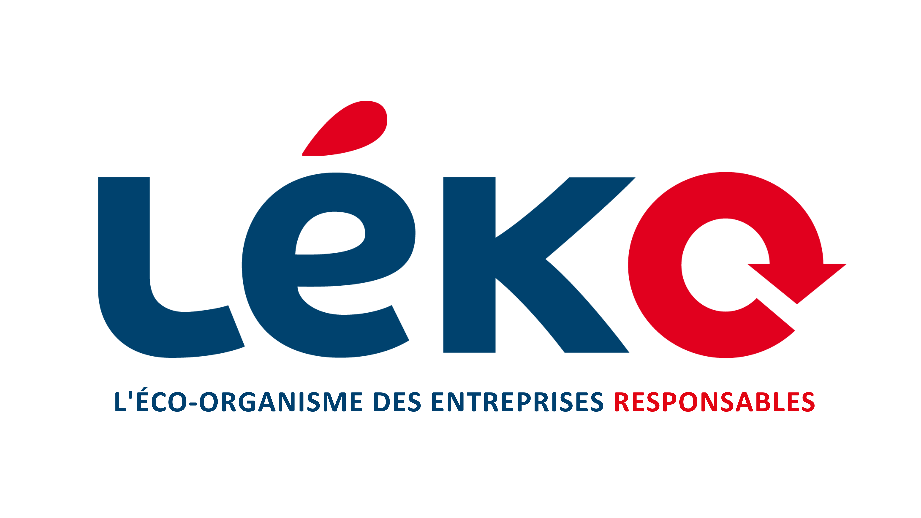

 |  | Application for the 2025 call for projects
 |  |  | Reuse of household packaging

This Excel file must be completed as part of your application for the call for projects Reuse of Léko's household packaging. The complete application must be sent by e-mail to the following address: reemploi@leko-organisme.fr no later than June 30, 2025. Please note: Other documents are also required to compile a complete file. Please refer to the specifications for a detailed list of documents to be provided. The blue tabs correspond to information tabs (in an advisory capacity). The grey tabs to be completed only by candidates presenting themselves as a group of marketers. The green tabs correspond to the different application streams; Please only fill in the one that concerns your project. The red tabs are to be filled in by all project leaders. Only one application per structure is allowed. The configuration of this presentation must be respected so that the application can be studied according to the various selection criteria. The specifications of the Call for Projects Reuse of Léko's household packaging provide the necessary elements for the application.

ELIGIBILITY REQUIREMENTS

Types of structures | Companies (or groups of) marketers of HP* or products intended for sale in bulk for households**
 | Companies or associations involved in the development of reuse: operator, solution providers, etc.
 | Distributors of products in household packaging or products intended for sale in bulk
 | Local authorities already members of Léko for their home meal delivery activity*

* HP = household packaging
** subject to contracting with Léko in 2026 (producer)

4 thematic components | Component 1 | Experimentation with the implementation or scaling up of logistics and washing loops for the reuse of household packaging
 | Component 2 | Implémentation de dispositif de traçabilité existant (hors R&D), à destination des distributeurs
 | Component 3 | Feasibility study, market studies or technical-economic studies for the implementation of reuse channels and/or for the benefit of Léko member producers
 | Component 4 | R&D on the Development of Primary Packaging, Household Packaging Collection Tools or Washing Tests to optimize the filling rate of washing stations

Types of expenses | Dedicated man-time
 | Purchase/rental of equipment and services necessary for the implementation of the project, including the purchase of reusable EM and collection/washing tools

SELECTION CRITERIA |  |  |  |  | Component 1 |  | Component 2 |  | Component 3 |  | Component 4

Environmental criteria | Reuse potential according to ADEME
 | Contribution of the project to the reuse objectives set by decree
 | Absence of major impact transfer or even positive contribution to major environmental issues

Economic and social criteria | Technical viability of the project |  |  | Economic and social criteria | Relevance of the logistics circuit: potential for packaging recovery |  |  |  |  | Economic and social criteria | Project innovation and added value compared to similar projects
 | Economic viability of the project: the project can continue at the end of the funding period |  |  |  | For operators: ability to federate a network of marketers |  |  |  |  |  | Potential of the project to accelerate reuse on a national scale (excluding cost reduction)
 | Contribution to the scaling up of the sector: logistical/technological innovation, etc. and reproducibility in the territory |  |  |  | Potential to support consumer behavior change | Economic and social criteria | Easy integration into stores | Economic and social criteria | Relevance of the study and justification of the project |  | For washing projects: Potential for improved volume of washed packaging
 | Contribution to the development of reuse in territories with few existing infrastructures or solutions |  |  |  | For washing projects: Washer filling potential and hygiene standards in place |  | Reliability of the project to guarantee the compatibility of the collected packaging with reuse |  | Potential for implementation of the project at the end of the study |  | Potential of the project to reduce the costs of reuse loops
 | Job creation (bonus) |  |  |  | For projects that are mostly man-time: relevance to the project |  | Ability to generate actionable data to measure project impact |  | Potential for sharing results |  | Industrialization potential
 | Positive contribution to major social issues (bonus) |  |  |  | Planned Business Models

Miscellaneous criteria | Solution applicable to the standards defined by the eco-organizations
 | Scope of communication and awareness of the structure
 | Absence of Leko financing in the last 12 months (bonus)
 | Amount of funding requested from Leko
 | Possibility of co-financing

Tiebreaker criteria | Need for Leko funding for the project
 | Equity of funding between territories

DELIVERABLES

Each selected project leader undertakes to provide Leko with: - A mid-project interim report indicating the project schedule and the phases initiated as well as the first results of the project; - A report at the end of the project as described in its application file, indicating: • The context and objectives of the project; • The planned timetable and the actual timetable; • The data and results of the project, in particular in terms of the number of packages reused during the project and/or at the end of it; • The main difficulties encountered and the levers used to get around them; • Any follow-up to the project. The project leader undertakes to provide Leko with any additional support that it may require to draw up an assessment of the projects financed.

Table of contents
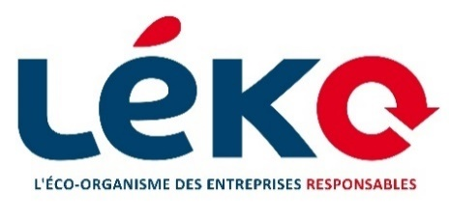

 | Application for the 2025 call for projects
 | Reuse of household packaging

File summary
The structure of this presentation must be respected so that the application can be studied according to the various selection criteria.

Tab names | Projects involved | Should the tab/sheet be completed by the project leader?"
Regulation | All projects | No
Summary | All projects | No
Presentation of the project | All projects | Yes
Component 1 | Experimentation with the implementation or scaling up of logistics and washing loops for the reuse of household packaging | Yes | Please complete only one tab, corresponding to your type of application.
Component 2 | Implementation of existing traceability system (no R&D), for distributors | Yes
Component 3 | Feasibility study, market studies or technical-economic studies for the implementation of reuse channels and/or for the benefit of Léko member producers | Yes
Component 4 | R&D on the Development of Primary Packaging, Household Packaging Collection Tools or Washing Tests to optimize the filling rate of washing stations. | Yes
Group of producers | Only for projects carried out in a "group of prodcuders" | Yes, if it is a group application
Financial aspects | All projects | Yes
Prohect planning | All projects | Yes
More | All projects | Candidate's choice

Project presentation
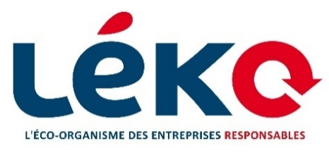

 |  | Application for the 2025 call for projects
 |  | Reuse of household packaging

GENERAL INFORMATION:

Project :

 | Title of project
 | Type of structure | Company invested in reuse
 | If "Other": specify
 | Registration number
 | Geographical location

Main contact:

 | Last name
 | First name
 | Position
 | Mail
 | Number

Unique ID for Léko members:

PROJECT PRESENTATION

Types of project:
Please select the box that corresponds to your project.

 | Specify the corresponding component

What is the main sector of activity concerned by the project? (food, beverages, hygiene, e-commerce, etc.)

What types of products are targeted by the project (bottle, jars, trays, parcels, etc.)? Please specify the materials used.

What are the main objectives of the project?

What phase is the project in at the time of its evaluation? (Study, start-up, operational, etc.)

PROJECT PARTNERS

List of partners (companies) associated with the project:

Partner's name | Function | Aspect of the project involving the partner | SIRET number

Financial aspects
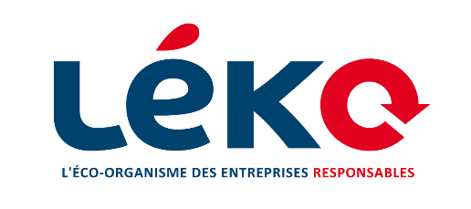

 |  | Application for the 2025 call for projects
 |  | Reuse of household packaging

Please fill in the table below with the estimated expenses required for the project, so that Léko can identify the various eligible expenditure items and calculate the potential aid.

Expenditure must be presented : - in € for personnel costs: share of the cost of salaries, wages and employer's contributions (including any taxes directly proportional to the salaries paid) of the people directly involved in achieving the objectives of the operation, in proportion to the share of the activity of the personnel mobilized measured in hours or days. - in € excl. tax for all other expenses

Component 1
Component 2
Component 4
Financing rates by type of project :
Funding between 20% and 70% of the total project cost. Léko’s support is capped at €50,000 (excluding VAT).
Funding between 50% and 70% of the total project cost. Léko’s support is capped at €10,000 (excluding VAT).
Funding between 50% and 70% of the total project cost. Léko’s support is capped at €20,000 (excluding VAT).
Component 3
Funding between 20% and 70% of the total project cost. Léko’s support is capped at €25,000 (excluding VAT).

Up to 25% of Léko support for producers
Up to 100% of Léko support for other structures
Man-time
Up to 100% of Léko support amount
Purchase/rental of goods and services
Financing rates by type of expenditure

Total project cost : |  | €

Amount of funding requested from Léko : |  | €

Type of expense | Description of the expense: why is the expense necessary to carry out the project? | For purchases or rentals of equipment and services |  |  |  | For human time
 |  | Supplier name | Amount of estimate or invoices in € excl. | Quotation or invoice number | Quotation/invoice date | Estimated number of man-days over the duration of the project | Daily cost | Estimated manpower cost over project duration (no. of days * daily cost)

TOTAL

